X5pro柯林斯版V4.0.2
Product Model: AUSHA Z2

ID | 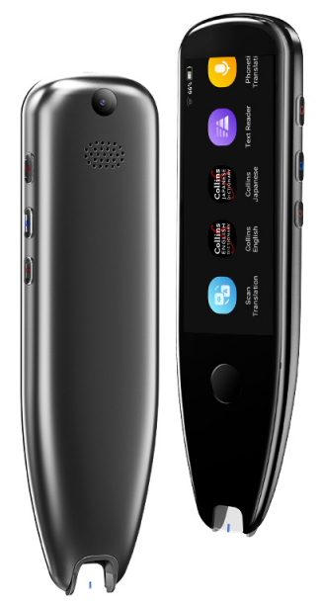
Overview | Details | Description
Network | Network Type | Supports offline, WIFI
Appearance | Body Material | PC ABS glass
 | Body Dimensions | 155*43*14mm
 | Package Dimensions | 181.5*68.8*35mm
 | Packing Specifications | 50 units/box
 | Outer Box Dimensions | 38*36*20.5cm
 | Net Weight | 90g
 | Gross Weight | 193g
 | Total Box Weight | 10.5kg
 | Packing List | Device*1, Charging Cable*1, Manual*1
Display screen | Size | 3.5-inch full touchscreen
 | Resolution | 340*800
 | Rear Camera Pixels | 5 million
Battery | Type | Polymer
 | Capacity | 1500mAh
 | Standby Time | 7 days
 | Operating Time | 6-8 hours
Hardware | Details | Description
Storage |  | 1 8G
Memory |  | Supports TF card expansion
Interface | Details | Description
Charging |  | Type-C
Charging Current |  | 5V/1A
Software | Details | Description
Software Features | Electronic Dictionary | Chinese-English, English-Chinese electronic dictionary
 | Collins Dictionary | Official Collins English Dictionary
 | Collins Dictionary | Official Collins English-Japanese Dictionary
 | Smart Reading | Offline 18 languages, online 70 languages. Sentence reading: Scan sentences and read word by word. You can set single line/multi-line/speed/word pause/punctuation pause/UK or US pronunciation. Word reading: Single word analysis (using Collins English Dictionary)
 | Scan Translation | Offline translation for 18 languages. Polish, German (Germany), Russian, French (France), Korean (South Korea), Dutch (Netherlands), Portuguese (Portugal), Norwegian, Japanese (Japan), Swedish, Ukrainian (Ukraine), Spanish (Spain), Italian (Italy), Indonesian, English (US), Vietnamese (Vietnam), Chinese (Traditional), Chinese (Simplified) Online recognition for 71 languages, translation for 136 languages
 | Photo Translation | Online recognition for 71 languages, translation for 136 languages
 | Voice Translation | Online translation for 134 languages
 | Xiaobei AI | AI robot intelligent voice Q&A, smart assistant, supports 134 languages
 | Text Snippet | Offline recognition for 45 languages, online recognition for 71 languages
 | Smart Recording | Recording does not support translation, audio files can be exported
 | Favorites | Words and sentences in the electronic dictionary can be saved for review
 | MP3 | Supports USB connection to the computer to import MP3 files
 | Settings | WIFI, Bluetooth, volume and speed, auto pronunciation, multi-line scanning, display (brightness, screen-off time), pen-holding orientation, device language, auto shutdown, storage space, storage path, app updates, clear data, reset settings, about
 | System Language | [Simplified Chinese][Traditional Chinese][English][Japanese][Korean][French] [German][Italian][Spanish][Portuguese] [Dutch][Czech][Danish][Swedish] [Romanian][Thai]

